python
1
Download Python | Python.org
Download Python 3.10.2
because Django 4.0 version need at least python 3.8
2
after installing python, set the Environment variables
this computer>properties>advanced system setting> advanced> Environment variables
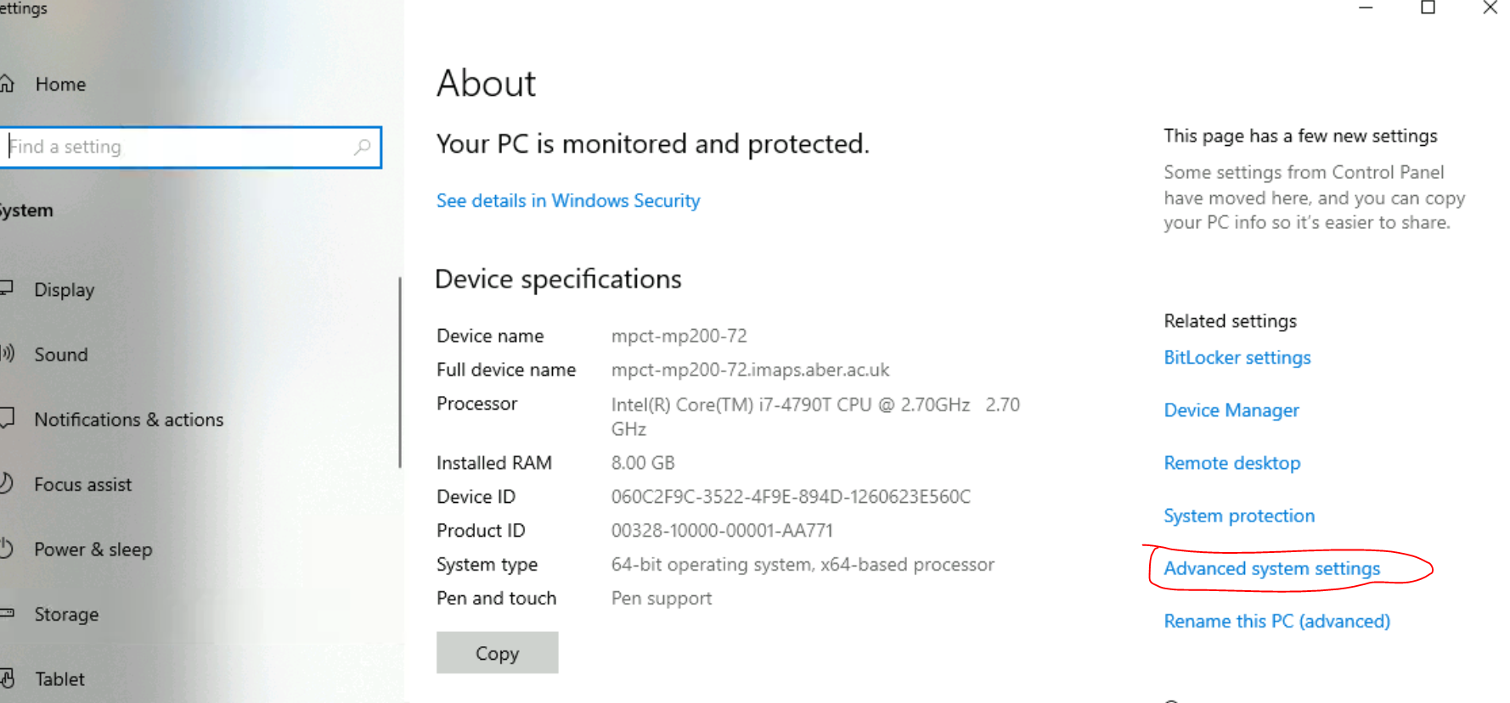

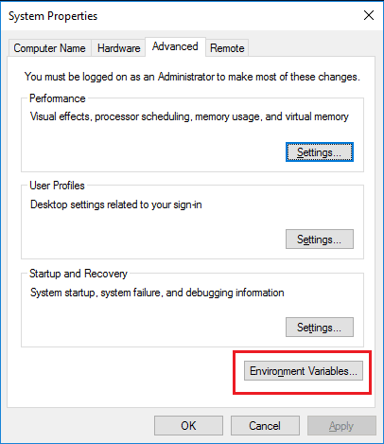

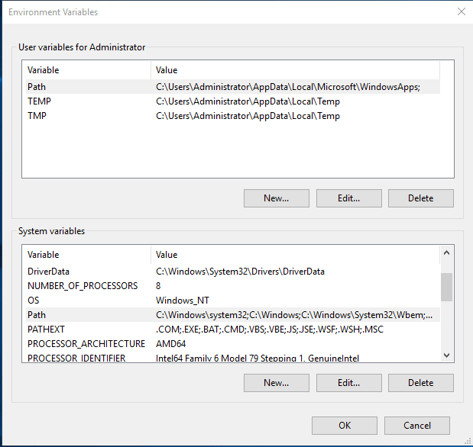

insert following contents into Path of System variables

C:\Users\*username*\AppData\Local\Programs\Python\Python310
C:\Users\*yourusername*\AppData\Local\Programs\Python\Python310\Scripts\
(change the variable value to match your actual installation path).
3
try if it is ok


input
python --version
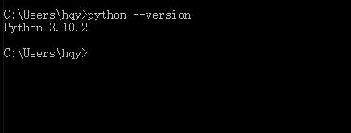

it shows version of Python then it's fine

pycharm
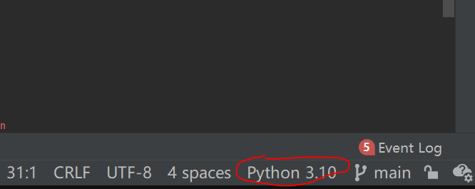
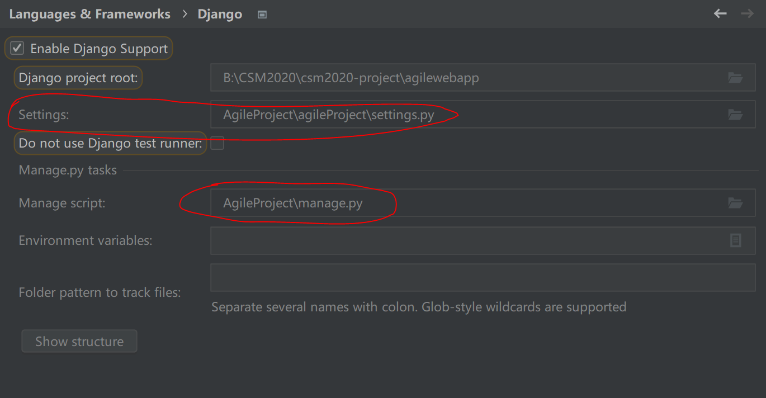
1
Download PyCharm: Python IDE for Professional Developers by JetBrains
download professinal version
2
Free Educational Licenses - Community Support (jetbrains.com)
resiger with Aber Email to get the one-year free license
3
then log in on Pycharm with Aber Email
4
open existed project codes that should be downloaded from Gitlab before into Pycharm
5
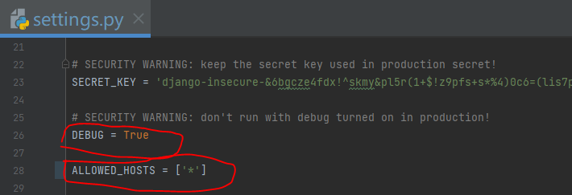

when developing, set DEBUG=True
the lower one is for the situation when debug=FALSE
6
add configuration> django server
don't edit environment variables, let it automatically makes variables
7
add interpreter

imported packages
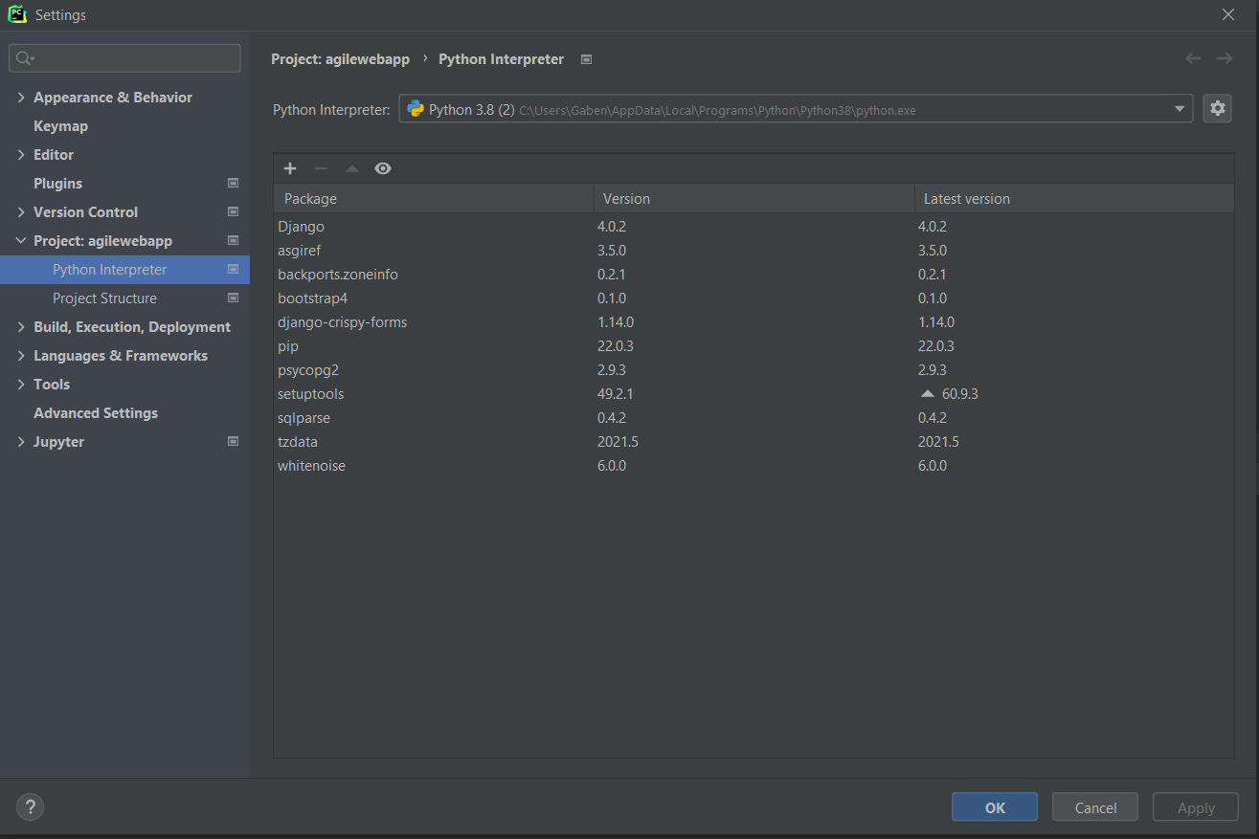

we can simply import packages from this place
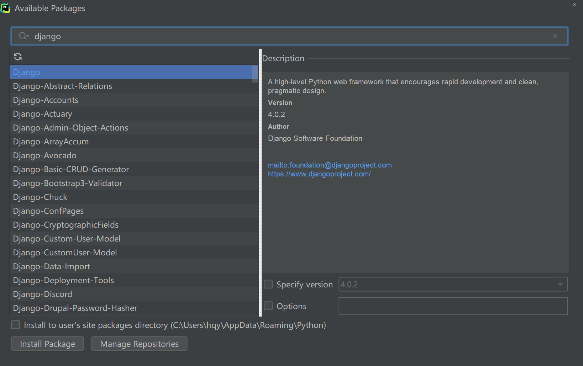

we need to install
Django
bootstrap4
psycopg2
django-crispy-forms

or in the cmd.exe use pip command to install

All packages are in in agilewebapp main folder in requirements.txt
To install updated packages in pycharm terminal type this command:

pip install -r requirements.txt

DB
1
Install postgreSQL on the local computer
2
cmd.exe
pip install psycopg2
3
Change the settings.py
Setting in red circle is for default small database Sqlite3
Setting in blue circle is for local postgreSQL, need to change NAME and password
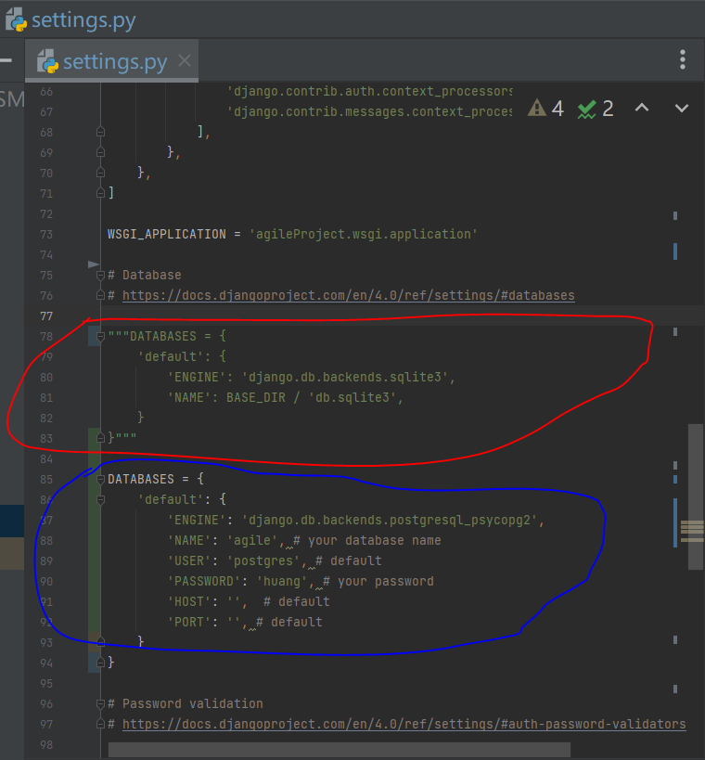

access to your local postgreSQL DB
DATABASES = {
'default': {
'ENGINE': 'django.db.backends.postgresql_psycopg2',
'NAME': 'DB', # your database name
'USER': 'postgres', # default
'PASSWORD': 'PASSWORD', # your password
'HOST': '', # default
'PORT': '', # default
}
}

access to uni postgreSQL DB
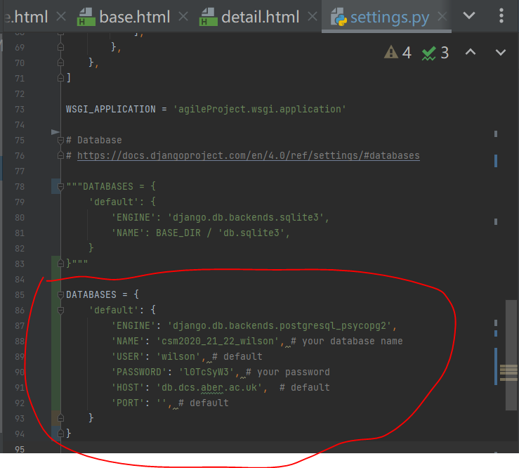

DATABASES = {
'default': {
'ENGINE': 'django.db.backends.postgresql_psycopg2',
'NAME': 'csm2020_21_22_wilson',
'USER': 'wilson',
'PASSWORD': 'l0TcSyW3',
'HOST': 'db.dcs.aber.ac.uk',
'PORT': '',
}
}

4
In terminal input “python manage.py migrate”

pgADMIN4
pgADMIN4 is the default DBMS
when you install postgreSQL, you also install this DBMS into your computer
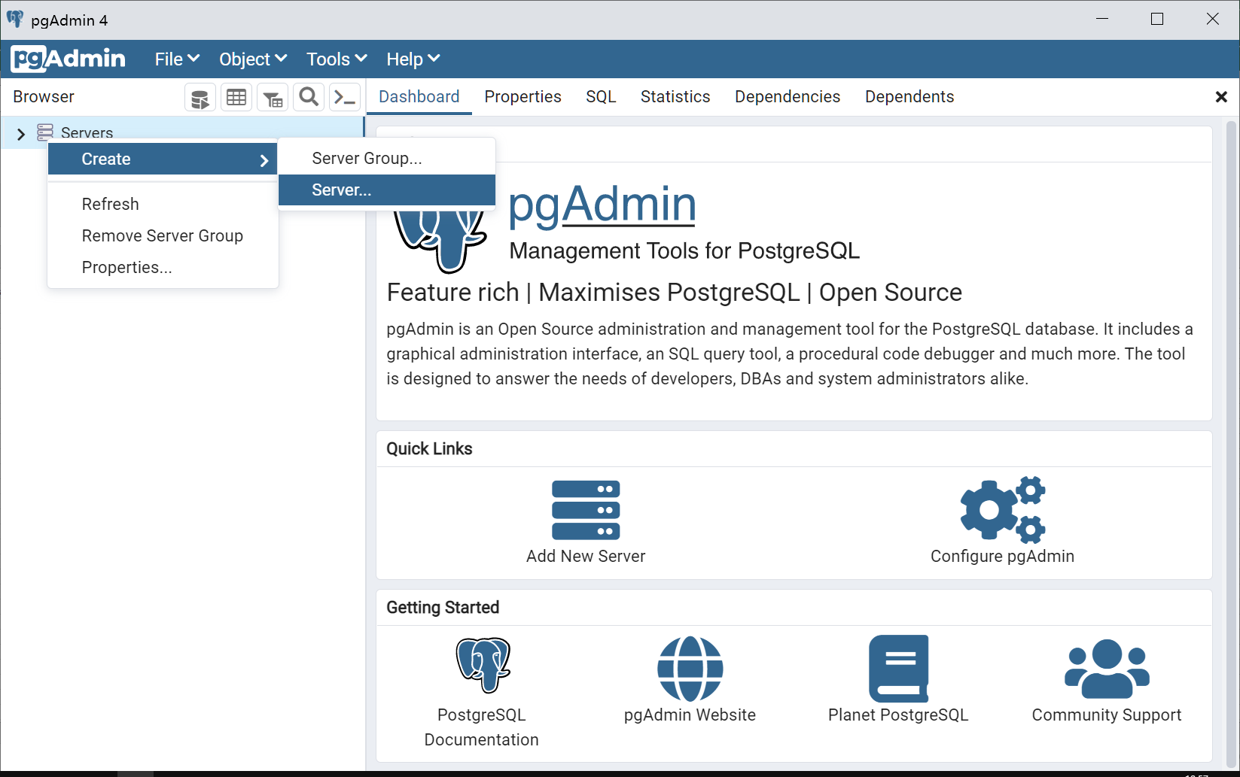

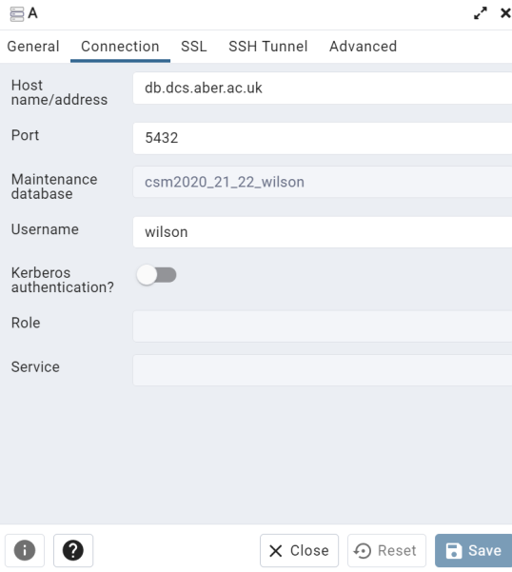

host
db.dcs.aber.ac.uk
Database:
csm2020_21_22_wilson
Account Name:
wilson
Account Password:
l0TcSyW3

